Sheet1
STILL WAITING FOR DISRUPTION
Drop Down Menus
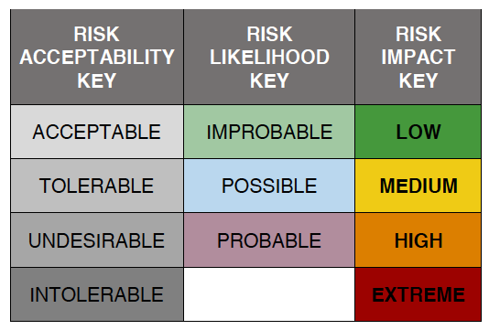 | A2J Risk Matrix |  | Project: | 
 | TREND | DESCRIPTION | RISK ACCEPTABILITY | LIKELIHOOD | IMPACT on INITIATIVE | IMPACT on USER
 | Better integration with an increasingly digital life
 |  | Does not integrate with existing user platforms | TOLERABLE | PROBABLE | LOW | EXTREME
 |  | Does not integrate with formal or supported resolution | TOLERABLE | PROBABLE | LOW | EXTREME
 | Increase avenues for digital advocacy and activism
 |  | Misuse by ideological or interest groups | ACCEPTABLE | POSSIBLE | HIGH | MEDIUM
 |  | Narrowing of affordable options | ACCEPTABLE | IMPROBABLE | MEDIUM | HIGH
 | Improve portability and mobility • Modernizing Infrastructure
 |  | Regulation lags behind development | UNDESIRABLE | PROBABLE | LOW | HIGH
 |  | Procurement rules | TOLERABLE | POSSIBLE | HIGH | LOW
 |  | Institutional platform change - no longer compatible | UNDESIRABLE | POSSIBLE | MEDIUM | MEDIUM
 | Support for a more open legal profession • Increase tech capacity & comfort
 |  | Restricted by the regulator as legal service provision | UNDESIRABLE | IMPROBABLE | HIGH | LOW
 |  | Eliminates the market for early career professionals | TOLERABLE | PROBABLE | LOW | HIGH
 | Reduction in the app divide
 |  | Data breaches affecting user's confidential data | UNDESIRABLE | POSSIBLE | LOW | HIGH
 |  | Private sale of user data | INTOLERABLE | IMPROBABLE | LOW | EXTREME
 | Increase digital equity • Decrease the IT poverty loop
 |  | Does not meet accessibility standards | TOLERABLE | PROBABLE | LOW | EXTREME
 |  | Replicates systemic bias | UNDESIRABLE | POSSIBLE | EXTREME | LOW
 |  | Expands / exacerbates rural access | TOLERABLE | PROBABLE | MEDIUM | HIGH
 | Increase access to data
 |  | Lack of common data metrics / rules | TOLERABLE | POSSIBLE | EXTREME | HIGH
 |  | Data security | UNDESIRABLE | IMPROBABLE | LOW | HIGH
 |  | Privately held data vulnerable to bankruptcy or business change | INTOLERABLE | PROBABLE | LOW | EXTREME

The Positive Disruption Toolkit - Fostering Technology
Innovation for Access to Justice | Risk Matrix

